USER GUIDE
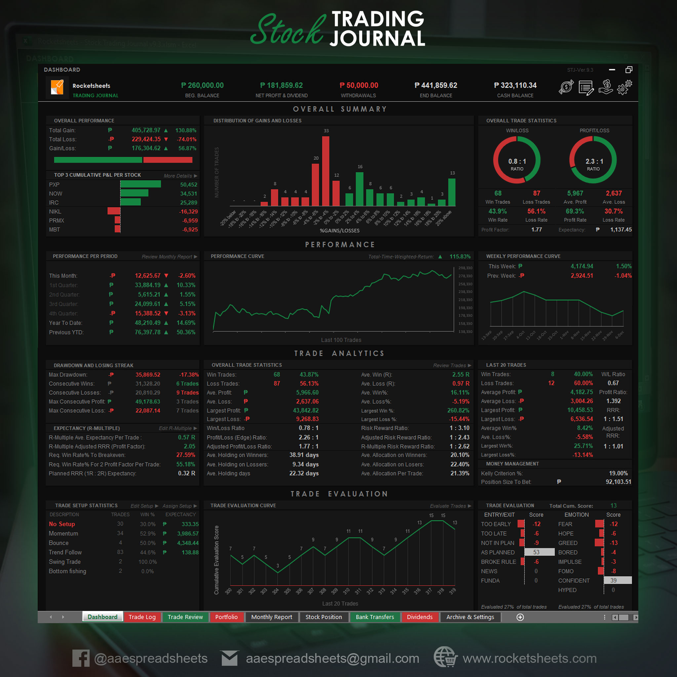
User Guide | Important Note: | Please enable macro to use this file. | To enable macro:
 | To view the Developer tab: |  | Go to Developer tab>>Macro Security>>Enable All Macro>>OK
 | Go to File>>Options>>Customize Ribbon>>Check Developer>>OK |  | >>Save>>Close the file>>Re-open the file | V.0

STEP 1:

Download broker order history report

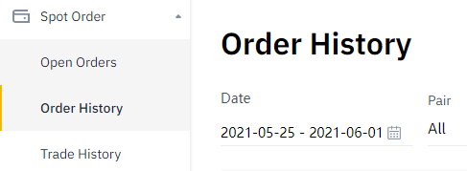

STEP 2:
Go to "CONVERTER" sheet and click "SELECT SOURCE FILE", locate your Order History file, and click OK

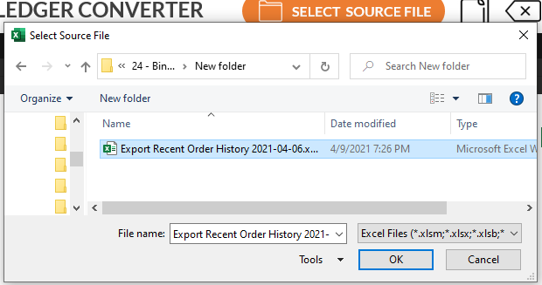

STEP 3:
Click COPY icon from CONVERTER sheet.

STEP 5:
Paste your trade data in your Trading Journal

You can check out the sample of our trading journal below, contact us or visit our website for more info.

CONVERTER
 | Developed by Rocketsheets, Binance Ledger Converter v.0
LEDGER CONVERTER
SELECT SOURCE FILE

No. | DATE | PAIR | ACTION | PRICE | SHARES | FEES
1
2

